Rear hubshell 142
 | The ERD (Effective Rim Diameter) can be set manually. The table below illustrates typical values for most used rim heights.
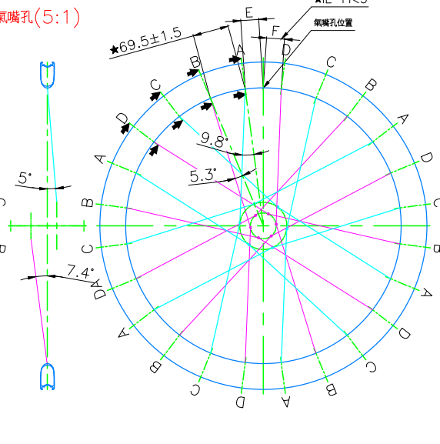
1
2
3
4
 | Symmetric Rim
 |  |  | Allowed tolerance on drilling angles is ± 0.5 degrees
 | Rim Height [mm] | Effective Rim Diameter [mm] ERD | DS Angle 1 [Degrees] | NDS Angle 2 [Degrees] | Angle 3 [Degrees] | Angle 4 [Degrees]
 | 20 | 600 | 3.9 | 6.6 | 8.7 | 4.8
 | 30 | 580 | 4.1 | 6.8 | 9.0 | 4.9
 | 40 | 560 | 4.3 | 7.1 | 9.4 | 5.1
 | 50 | 540 | 4.5 | 7.4 | 9.7 | 5.3
 | 60 | 520 | 4.7 | 7.7 | 10.1 | 5.5
 | 65 | 510 | 4.8 | 7.9 | 10.3 | 5.6
USER INPUT |  |  | -21.0 | -48.9 | #DIV/0! | #DIV/0!

 | Asymetric Rim
USER INPUT | offset [mm]
 |  |  | Allowed tolerance on drilling angles is ± 0.5 degrees
 | Rim Height [mm] | Effective Rim Diameter [mm] | DS Angle 1 [Degrees] | NDS Angle 2 [Degrees] | Angle 3 [Degrees] | Angle 4 [Degrees]
 | 20 | 600 | 3.9 | 6.6 | 8.7 | 4.8
 | 30 | 583 | 4.1 | 6.8 | 9.0 | 4.9
 | 40 | 562 | 4.3 | 7.1 | 9.3 | 5.1
 | 50 | 539 | 4.5 | 7.4 | 9.7 | 5.3
USER INPUT |  |  | - | - | - | -

Front hub 142
 | The ERD (Effective Rim Diameter) can be set manually. The table below illustrates typical values for most used rim heights.

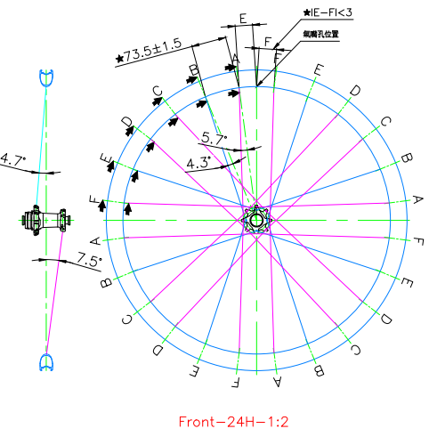
1
2
3
4
 | Symmetric Rim
 |  |  | Allowed tolerance on drilling angles is ± 0.5 degrees
 | Rim Height [mm] | Effective Rim Diameter [mm] ERD | DS Angle 1 [Degrees] | NDS Angle 2 [Degrees] | Angle 3 [Degrees] | Angle 4 [Degrees]
 | 20 | 600 | 7.3 | 4.3 | 5.4 | 4.1
 | 30 | 580 | 7.6 | 4.5 | 5.5 | 4.3
 | 40 | 560 | 7.9 | 4.6 | 5.7 | 4.4
 | 50 | 540 | 8.2 | 4.8 | 6.0 | 4.6
 | 60 | 520 | 8.6 | 5.0 | 6.2 | 4.7
 | 65 | 510 | 8.8 | 5.1 | 6.3 | 4.8
USER INPUT |  | 567 | 7.8 | 4.6 | 5.7 | 4.3

 | Asymetric Rim
USER INPUT | offset [mm]
 |  |  | Allowed tolerance on drilling angles is ± 0.5 degrees
 | Rim Height [mm] | Effective Rim Diameter [mm] | DS Angle 1 [Degrees] | NDS Angle 2 [Degrees] | Angle 3 [Degrees] | Angle 4 [Degrees]
 | 20 | 600 | 7.3 | 4.3 | 5.4 | 4.1
 | 30 | 583 | 7.6 | 4.4 | 5.5 | 4.2
 | 40 | 562 | 7.9 | 4.6 | 5.7 | 4.4
 | 50 | 539 | 8.2 | 4.8 | 6.0 | 4.6
USER INPUT |  |  | -48.6 | -43.1 | #DIV/0! | #DIV/0!
 | *Please use the boxes marked in [ GREY ] for custom entry.

Rear hubshell 148
1
2
3
4
 | The ERD (Effective Rim Diameter) can be set manually. The table below illustrates typical values for most used rim heights.

 | Symmetric Rim
 |  |  | Allowed tolerance on drilling angles is ± 0.5 degrees
 | Rim Height [mm] | Effective Rim Diameter [mm] ERD | DS Angle 1 [Degrees] | NDS Angle 2 [Degrees] | Angle 3 [Degrees] | Angle 4 [Degrees]
 | 20 | 600 | 4.5 | 6.6 | 8.6 | 4.3
 | 25 | 590 | 4.6 | 6.7 | 8.8 | 4.4
USER INPUT |  |  | -24.0 | -50.9 | #DIV/0! | #DIV/0!

 | Asymetric Rim
USER INPUT | offset [mm]
 |  |  | Allowed tolerance on drilling angles is ± 0.5 degrees
 | Rim Height [mm] | Effective Rim Diameter [mm] | DS Angle 1 [Degrees] | NDS Angle 2 [Degrees] | Angle 3 [Degrees] | Angle 4 [Degrees]
 | 20 | 600 | 4.5 | 6.6 | 8.6 | 4.3
 | 25 | 590 | 4.6 | 6.7 | 8.8 | 4.4
USER INPUT |  |  | -24.0 | -50.9 | #DIV/0! | #DIV/0!
 | *Please use the boxes marked in [ GREY ] for custom entry.

